Sheet1
Aircraft Weight & Balance |  | Enter your weights in the yellow boxes |  |  | AFTL
G-JACH | Fuel Ltrs | Weight (Lbs) | Arm Datum (Inches) | Moment (In-Lbs) | For information; Lbs converted to Kgs
Basic Empty Weight |  | 1719.5 | 88.04 | 151393
Pilot |  | 185.0 | 80.50 | 14892.5 | 84
Front Passenger |  | 175.0 | 80.50 | 14087.5 | 79
Passenger Rear Seats |  | 165.0 | 118.10 | 19486.5 | 75
Passenger Rear Seats |  | 0.0 | 118.10 | 0.0 | 0
Safety Equipment (in rear seat area) |  | 26.0 | 118.10 | 3070.6 | 12
Baggage (200lbs Max) | Ltrs | 25.0 | 142.80 | 3570.0 | 11
Zero Fuel Weight |  | 2295.5
Fuel (181 Ltrs Max Tabs 128 Ltrs) | 160 | 254.4 | 95.00 | 24168.0 | 115
Ramp Weight (2558 Lbs Max) |  | 2549.9
Fuel Allowance (Eng Start,Taxi,& Run Up |  | -8.0 | 95.00 | -760.0
Takeoff Weight (Max 2550 Lbs/1157 Kg) |  | 2541.9 |  | 229908.1 | 1153

Centre of Gravity |  | 90.4 |  | Endurance: hrs | 2.9
 |  |  |  | Very approximate endurance allowing for 20 min diversion, 40 min hold and 9ltr contingency.
1 US Gal = 6 Lbs 1 Litre = 1.59 Lbs |  | Check weight & moment with C.G. envelope below
1 US Gal = 3.78541 Litre 1 Litre = 0.26417 US Gal
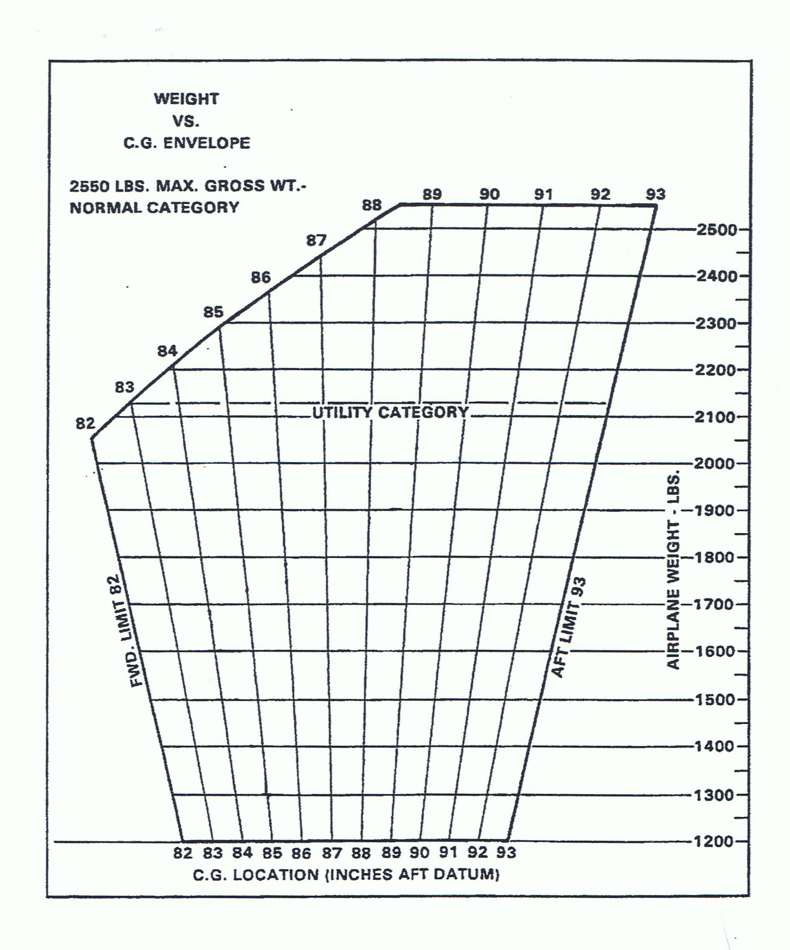

 |  |  |  |  | Date of Flight:

 |  |  |  |  | Departure Airfield:

 |  |  |  |  | Destination Airfield:

 |  |  |  |  | Pilot:

 |  |  |  |  | Version 1.0 Aug 2022

